Use_Case
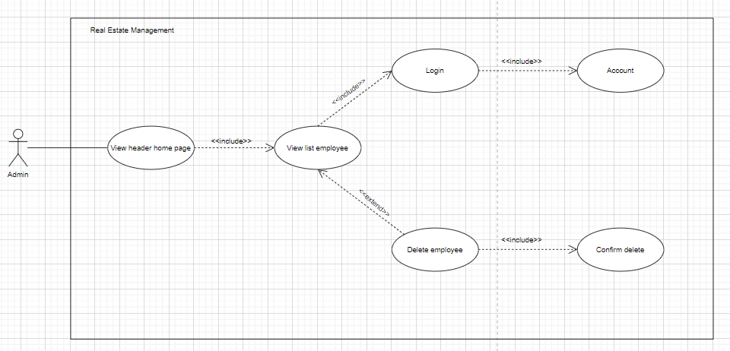
5.3.1 Xem danh sách nhân viên
Other. Xóa nhân viên

Class_Diagram
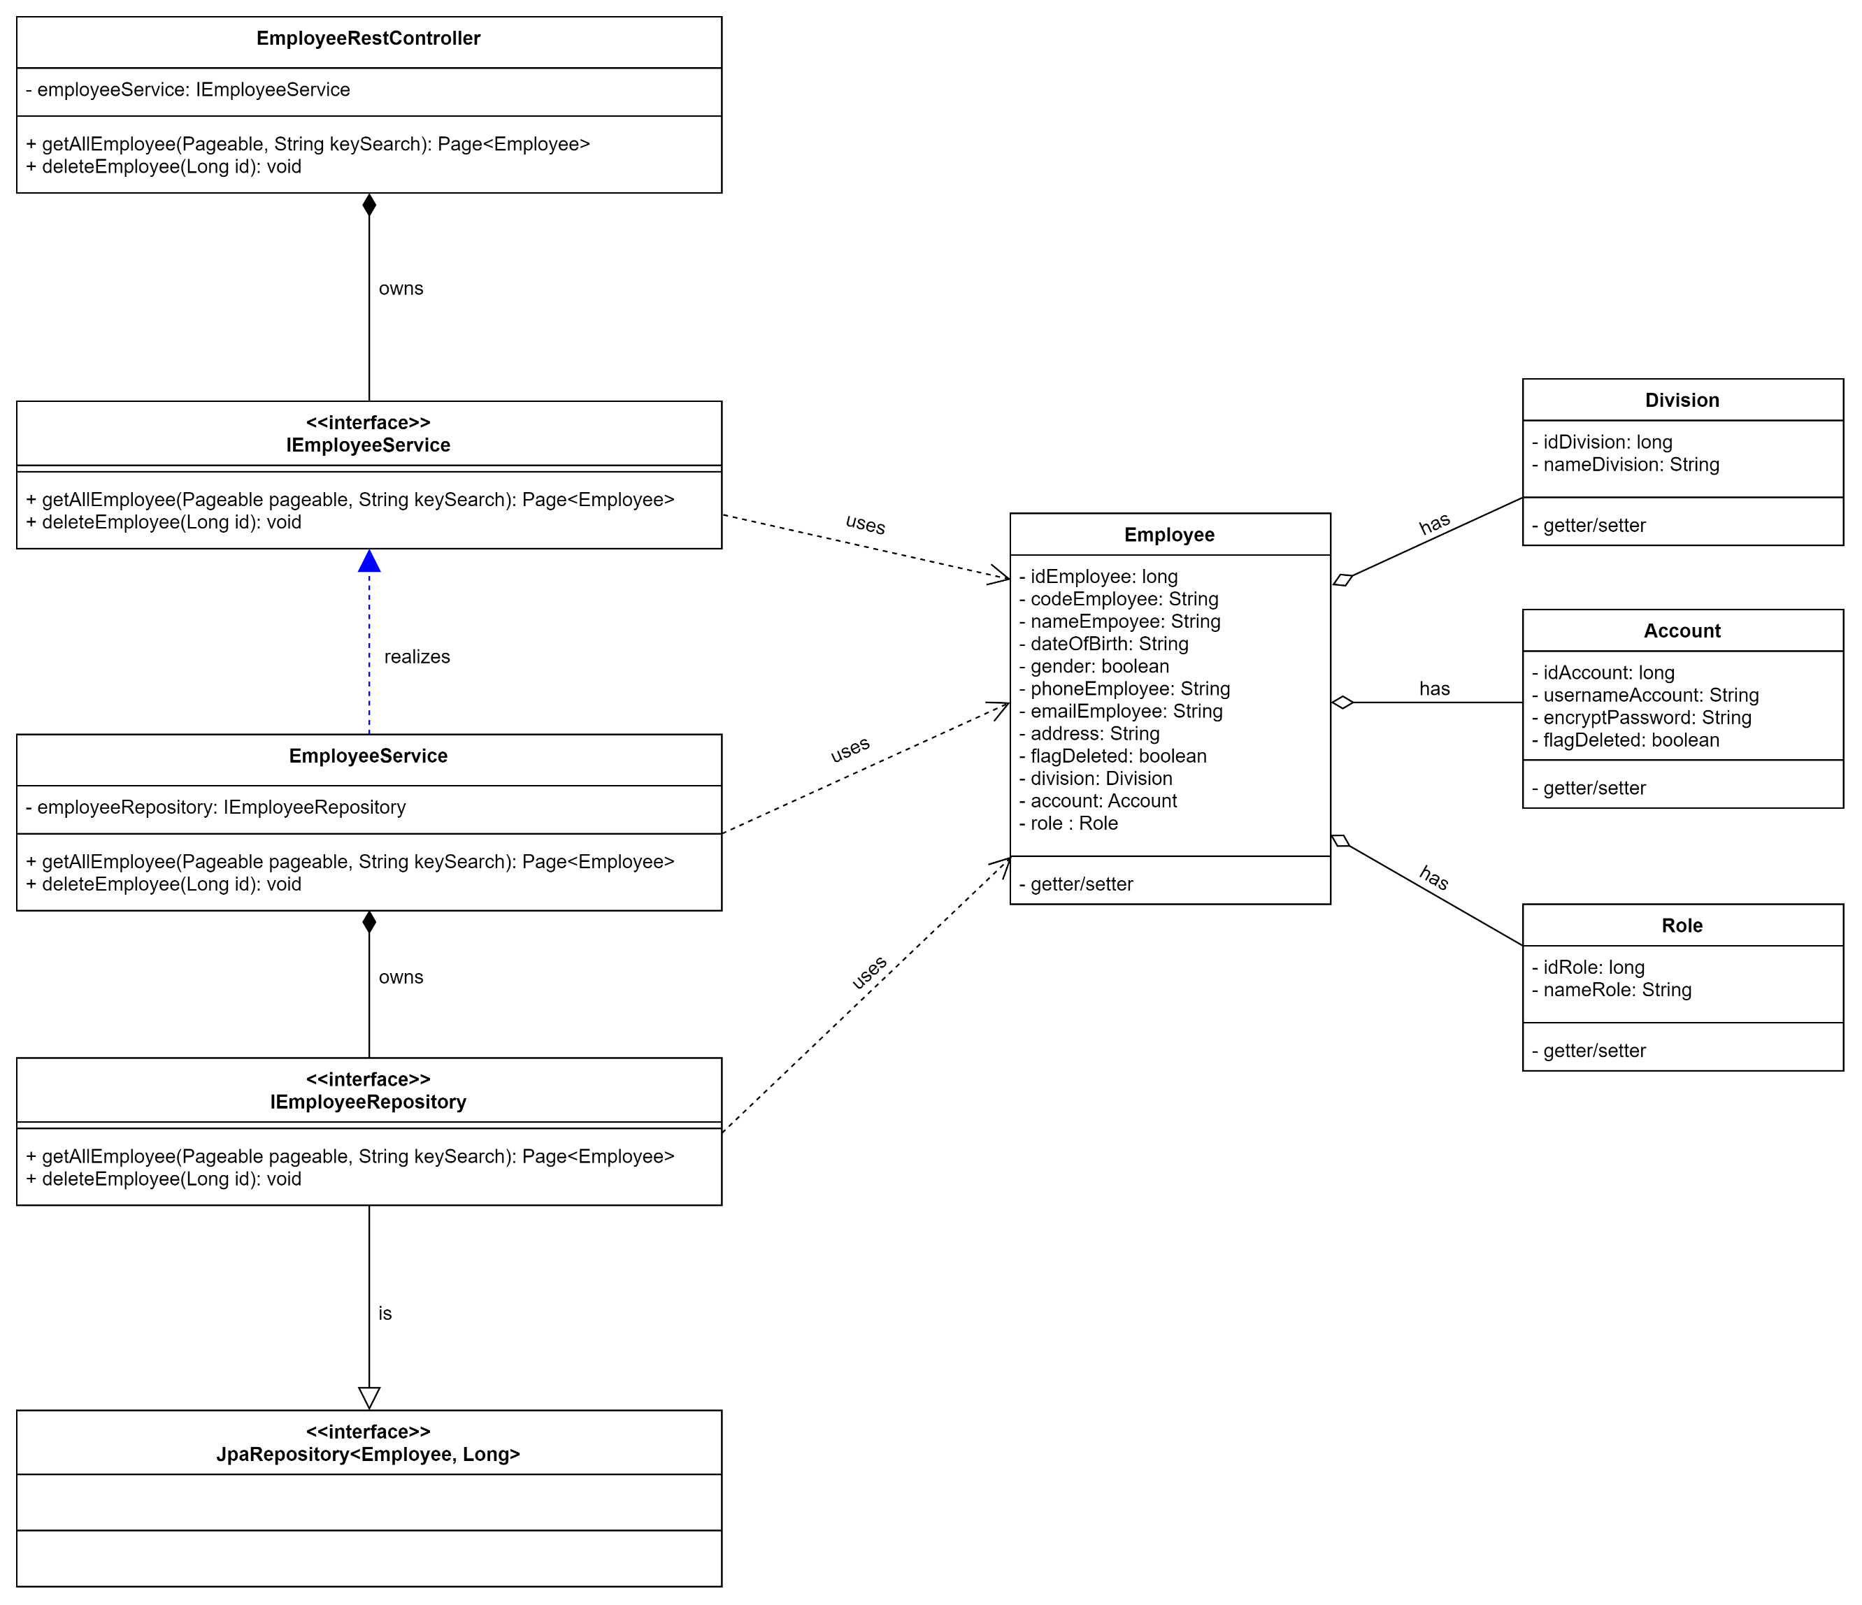
5.3.1 Xem danh sách nhân viên
Other. Xóa nhân viên

Sequence_Diagram
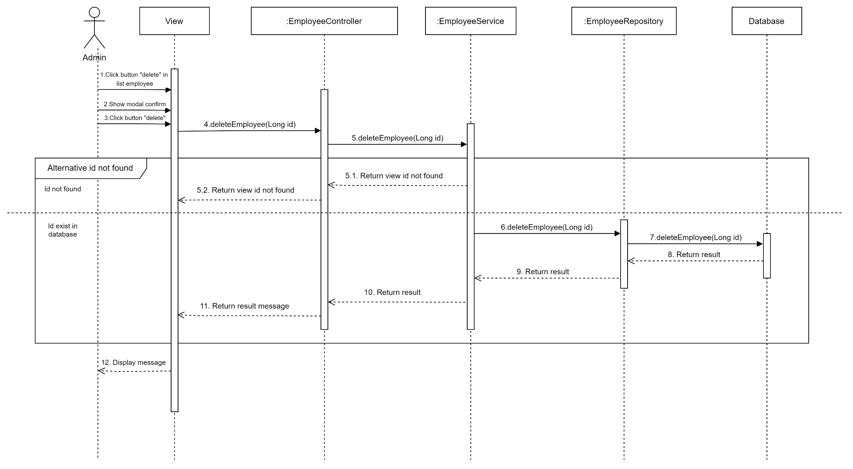
5.3.1 Xem danh sách nhân viên

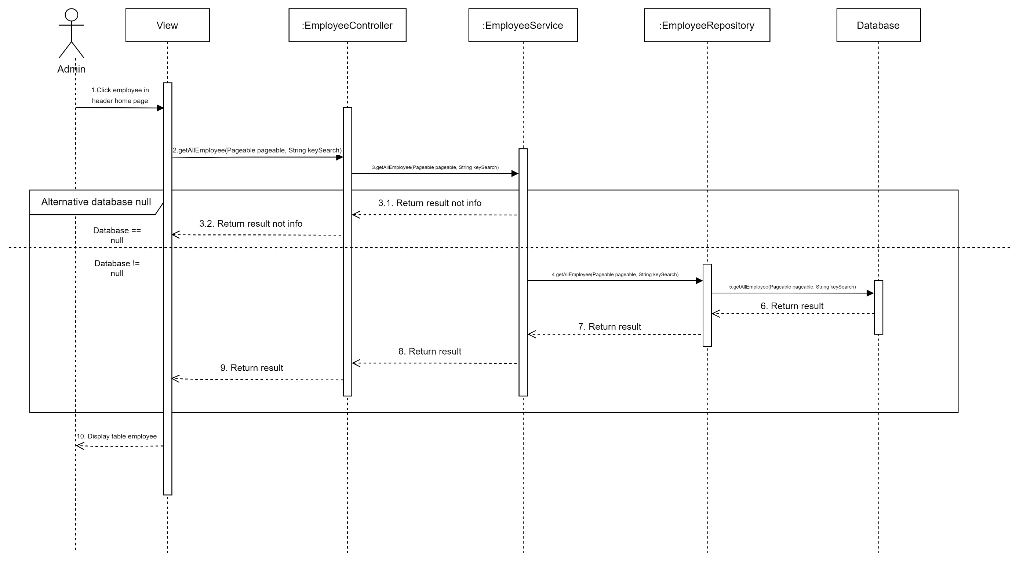

Other. Xóa nhân viên

